Sheet1
Row Labels | Count of Title
Action | 900
Adventure | 362
Animation | 45
Biography | 204
Comedy | 1016
Crime | 252
Documentary | 43
Drama | 672
Family | 3
Fantasy | 35
Horror | 151
Musical | 2
Mystery | 23
Romance | 3
Sci-Fi | 8
Thriller | 3
Western | 3
Grand Total | 3725
 |  | Row Labels | Count of Title
 |  | Approved | 17
 |  | G | 91
 |  | GP | 1
 |  | M | 2
 |  | NC-17 | 6
 |  | Not Rated | 43
 |  | Passed | 3
 |  | PG | 553
 |  | PG-13 | 1248
 |  | R | 1679
 |  | Unrated | 24
 |  | X | 9
 |  | (blank) | 49
 |  | Grand Total | 3725

 | Count of Genre | Column Labels
 | Row Labels | Action | Adventure | Animation | Biography | Comedy | Crime | Documentary | Drama | Family | Fantasy | Horror | Musical | Mystery | Romance | Sci-Fi | Thriller | Western | Grand Total
 | Approved | 6 | 3 | 2 | 1 | 3 |  |  | 1 |  |  |  |  |  |  |  |  | 1 | 17
 | G | 3 | 52 | 11 | 3 | 10 |  | 5 | 6 | 1 |  |  |  |  |  |  |  |  | 91
 | GP | 1 |  |  |  |  |  |  |  |  |  |  |  |  |  |  |  |  | 1
 | M | 1 |  |  | 1 |  |  |  |  |  |  |  |  |  |  |  |  |  | 2
 | NC-17 |  |  |  | 1 | 2 | 1 |  | 2 |  |  |  |  |  |  |  |  |  | 6
 | Not Rated | 2 | 1 |  | 1 | 12 | 5 | 4 | 15 |  | 1 | 1 |  |  |  |  | 1 |  | 43
 | Passed |  | 1 |  | 1 |  |  |  |  |  |  |  | 1 |  |  |  |  |  | 3
 | PG | 122 | 170 | 24 | 29 | 140 |  | 10 | 51 | 2 | 2 | 2 |  |  |  | 1 |  |  | 553
 | PG-13 | 397 | 70 | 3 | 70 | 377 | 30 | 7 | 244 |  | 11 | 26 | 1 | 9 | 1 | 2 |  |  | 1248
 | R | 362 | 61 | 5 | 94 | 443 | 212 | 6 | 338 |  | 20 | 118 |  | 13 |  | 4 | 1 | 2 | 1679
 | Unrated | 1 |  |  | 2 | 8 | 2 | 3 | 7 |  |  | 1 |  |  |  |  |  |  | 24
 | X | 1 |  |  |  | 3 |  |  |  |  | 1 | 3 |  | 1 |  |  |  |  | 9
 | (blank) | 4 | 4 |  | 1 | 18 | 2 | 8 | 8 |  |  |  |  |  | 2 | 1 | 1 |  | 49
 | Grand Total | 900 | 362 | 45 | 204 | 1016 | 252 | 43 | 672 | 3 | 35 | 151 | 2 | 23 | 3 | 8 | 3 | 3 | 3725
 | Action | Adventure | Animation | Biography | Comedy | Crime | Documentary | Drama | Family | Fantasy | Horror | Musical
Approved | 6 | 3 | 2 | 1 | 3 |  |  | 1
G | 3 | 52 | 11 | 3 | 10 |  | 5 | 6 | 1
GP | 1
M | 1 |  |  | 1
NC-17 |  |  |  | 1 | 2 | 1 |  | 2
Not Rated | 2 | 1 |  | 1 | 12 | 5 | 4 | 15 |  | 1 | 1
Passed |  | 1 |  | 1 |  |  |  |  |  |  |  | 1
PG | 122 | 170 | 24 | 29 | 140 |  | 10 | 51 | 2 | 2 | 2
PG-13 | 397 | 70 | 3 | 70 | 377 | 30 | 7 | 244 |  | 11 | 26 | 1
R | 362 | 61 | 5 | 94 | 443 | 212 | 6 | 338 |  | 20 | 118
Unrated | 1 |  |  | 2 | 8 | 2 | 3 | 7 |  |  | 1
X | 1 |  |  |  | 3 |  |  |  |  | 1 | 3
(blank) | 4 | 4 |  | 1 | 18 | 2 | 8 | 8

IMDB Dashboard
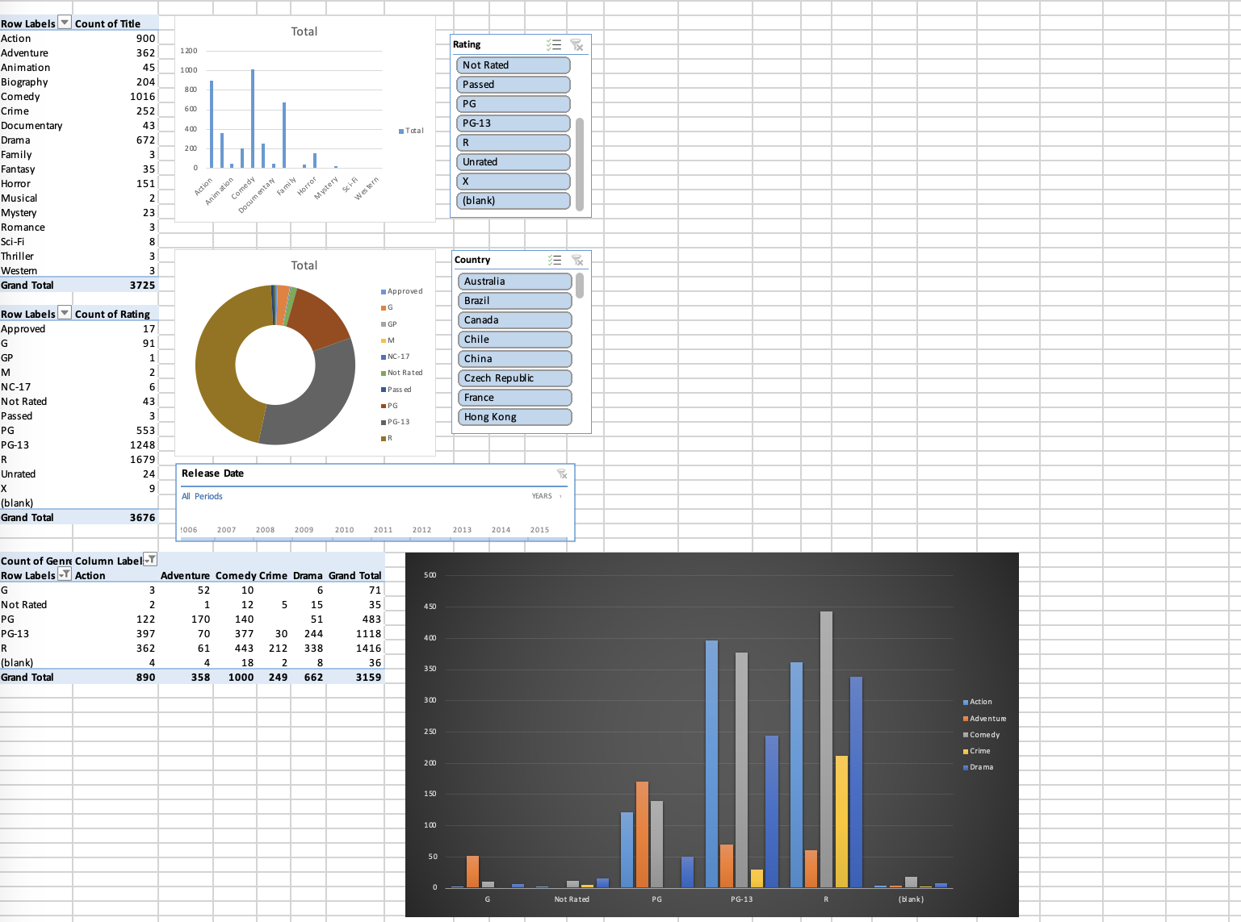
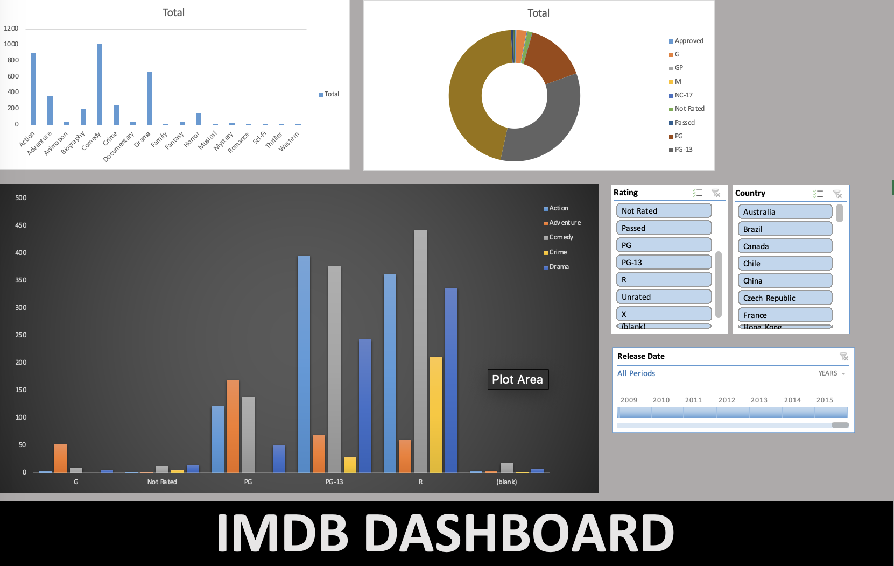
CREATE AN IMDB DASHBOARD USING PIVOT CHARTS SIMILAR TO THE DATA PROVIDED BELOW

